Vendor Type
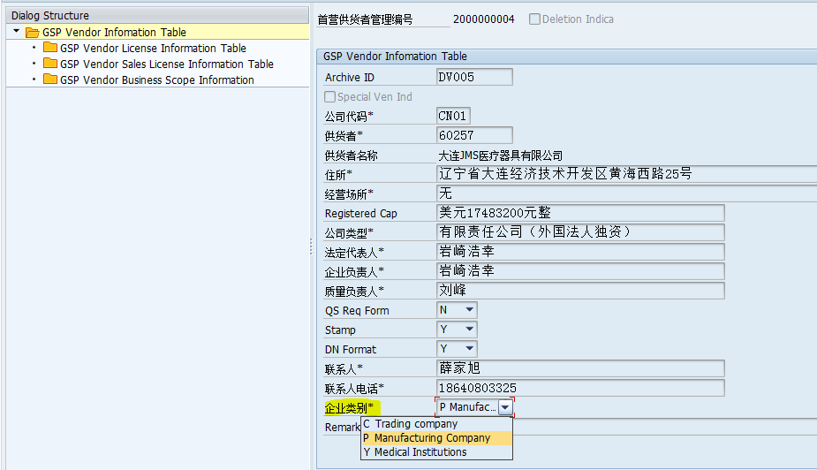
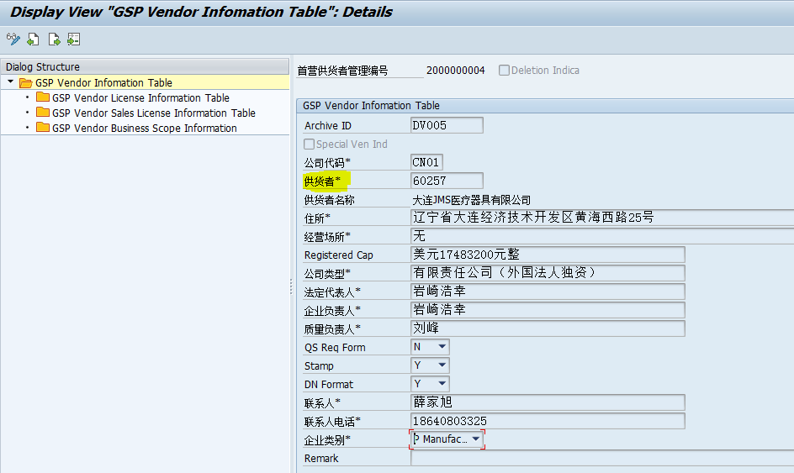
Open issue: SAP: ZQMT003-ZCAT, only three values, trading company, manufacturing company and medical institutions, but in the HIS FS, three types, third one is both. BUT,In SAP only one value.

Vendor-Service Scope
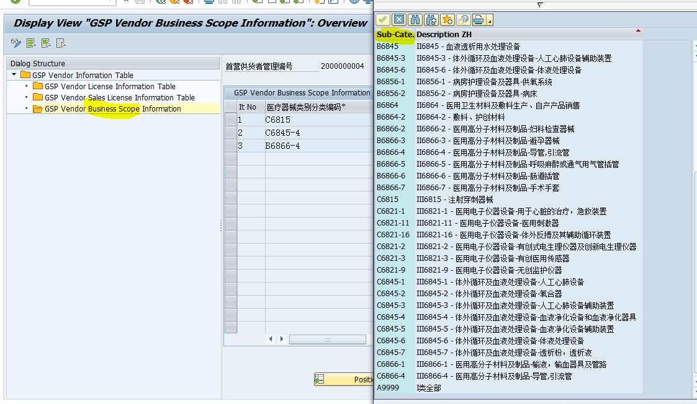
Open issue: SAP: Maintained vendor business scope, and have some sub-category, it looks B**,C** and A*, three kinds instead service scope

Vendor-License no.
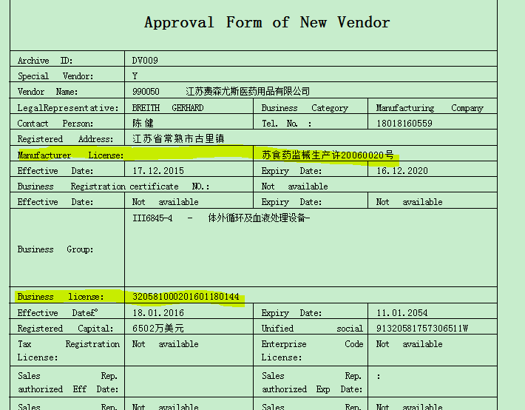
Open issue: SAP: License number, in the vendor form, have manufacturer license and business license. One is manufacturer license, one is GsP business license ??? Should check with user

Material-Name
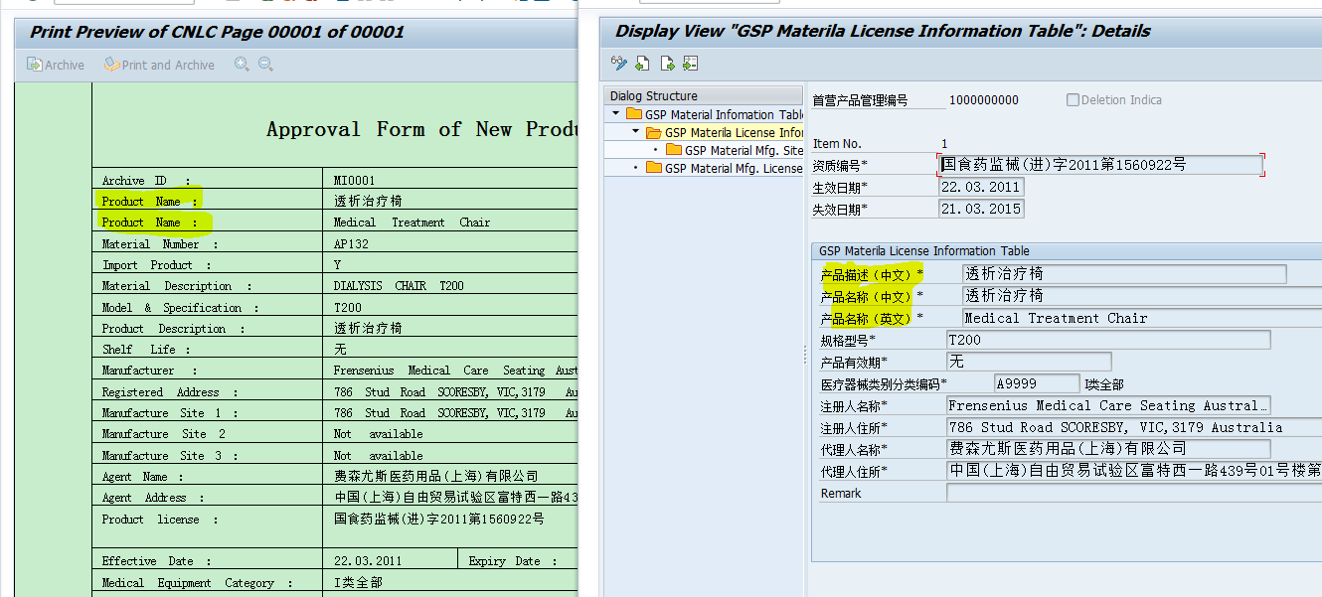
Open issue: ZSHGm03:Print master data , one is Product name (Enlish one), one is common name(Chinese name)???

Material- License no.
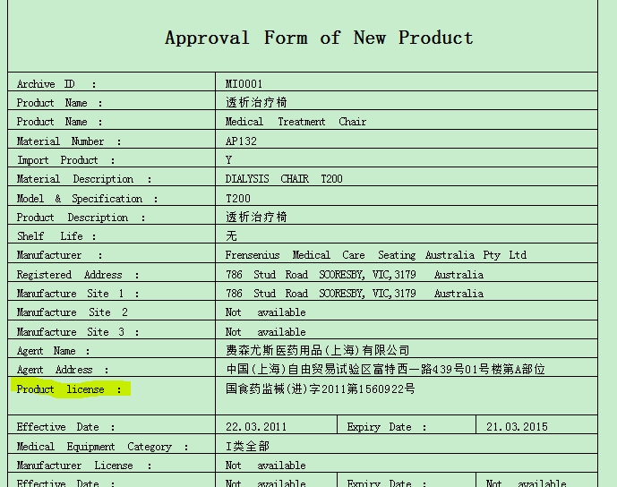
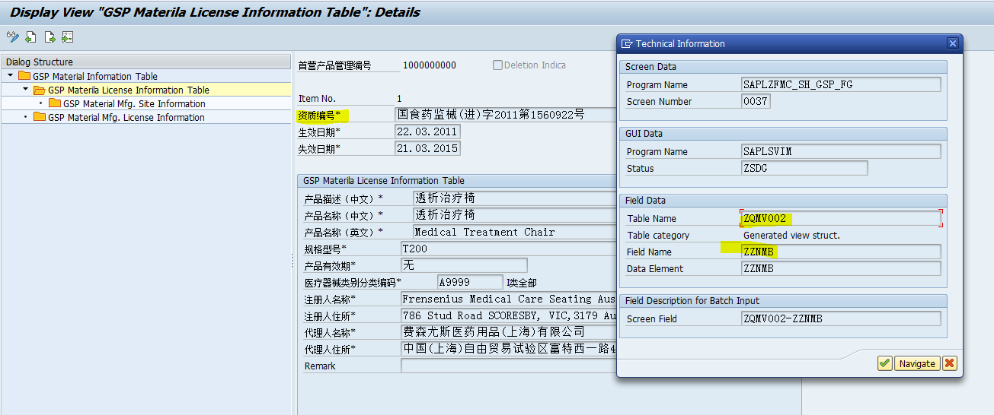
Open issue: ZSHGm03:Print master data , Product License no.

